Pivot1
Total Sales by Fat Content
Row Labels | Sum of Total Sales
Low Fat | 776319.6784
Regular | 425361.8024
Grand Total | 1201681.4808

Total Sales by Item Type
Sum of Total Sales | Column Labels
Row Labels | Low Fat | Regular
Tier 1 | 215047.9126 | 121349.8994
Tier 2 | 254464.7734 | 138685.8682
Tier 3 | 306806.9924 | 165326.0348
Grand Total | 776319.6784 | 425361.8024

Row Labels | Sum of Total Sales
Baking Goods | 81894.7364
Breads | 35379.1198
Breakfast | 15596.6966
Canned | 90706.727
Dairy | 101276.4596
Frozen Foods | 118558.8814
Fruits and Vegetables | 178124.081
Hard Drinks | 29334.6766
Health and Hygiene | 68025.8388
Household | 135976.5254
Meat | 59449.8638
Others | 22451.8916
Seafood | 9077.87
Snack Foods | 175433.9204
Soft Drinks | 58514.165
Starchy Foods | 21880.0274
Grand Total | 1201681.4808

Row Labels | Sum of Total Sales
1998 | 204522.257
2000 | 131809.0156
2010 | 132113.3698
2011 | 78131.5646
2012 | 130476.8598
2015 | 130942.7782
2017 | 133103.907
2020 | 129103.9564
2022 | 131477.7724
Grand Total | 1201681.4808

Row Labels | Sum of Total Sales
High | 248991.584
Medium | 507895.7284
Small | 444794.1684
Grand Total | 1201681.4808

DashBoard
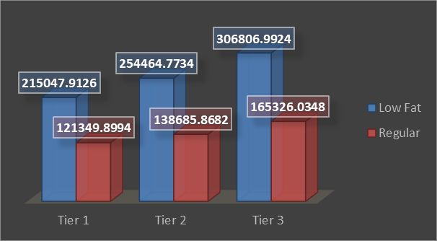
blinkit

8523
No of Items
$141
Avg Sales
$1.2M
Total Sales
4
Rating
India's last Minute App


ITEM TYPE
 | Total
Baking Goods | 81894.7364
Breads | 35379.1198
Breakfast | 15596.6966
Canned | 90706.727
Dairy | 101276.4596
Frozen Foods | 118558.8814
Fruits and Vegetables | 178124.081
Hard Drinks | 29334.6766
Health and Hygiene | 68025.8388
Household | 135976.5254
Meat | 59449.8638
Others | 22451.8916
Seafood | 9077.87
Snack Foods | 175433.9204
Soft Drinks | 58514.165
Starchy Foods | 21880.0274
OUTLET SIZE
 | Total
High | 248991.584
Medium | 507895.7284
Small | 444794.1684

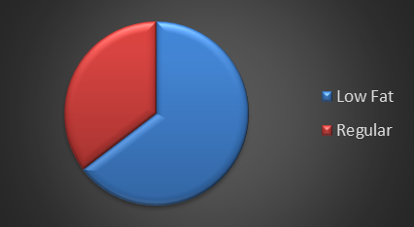

OUTLET ESTABLISHMENT
 | Total
1998 | 204522.257
2000 | 131809.0156
2010 | 132113.3698
2011 | 78131.5646
2012 | 130476.8598
2015 | 130942.7782
2017 | 133103.907
2020 | 129103.9564
2022 | 131477.7724

